Cover Page
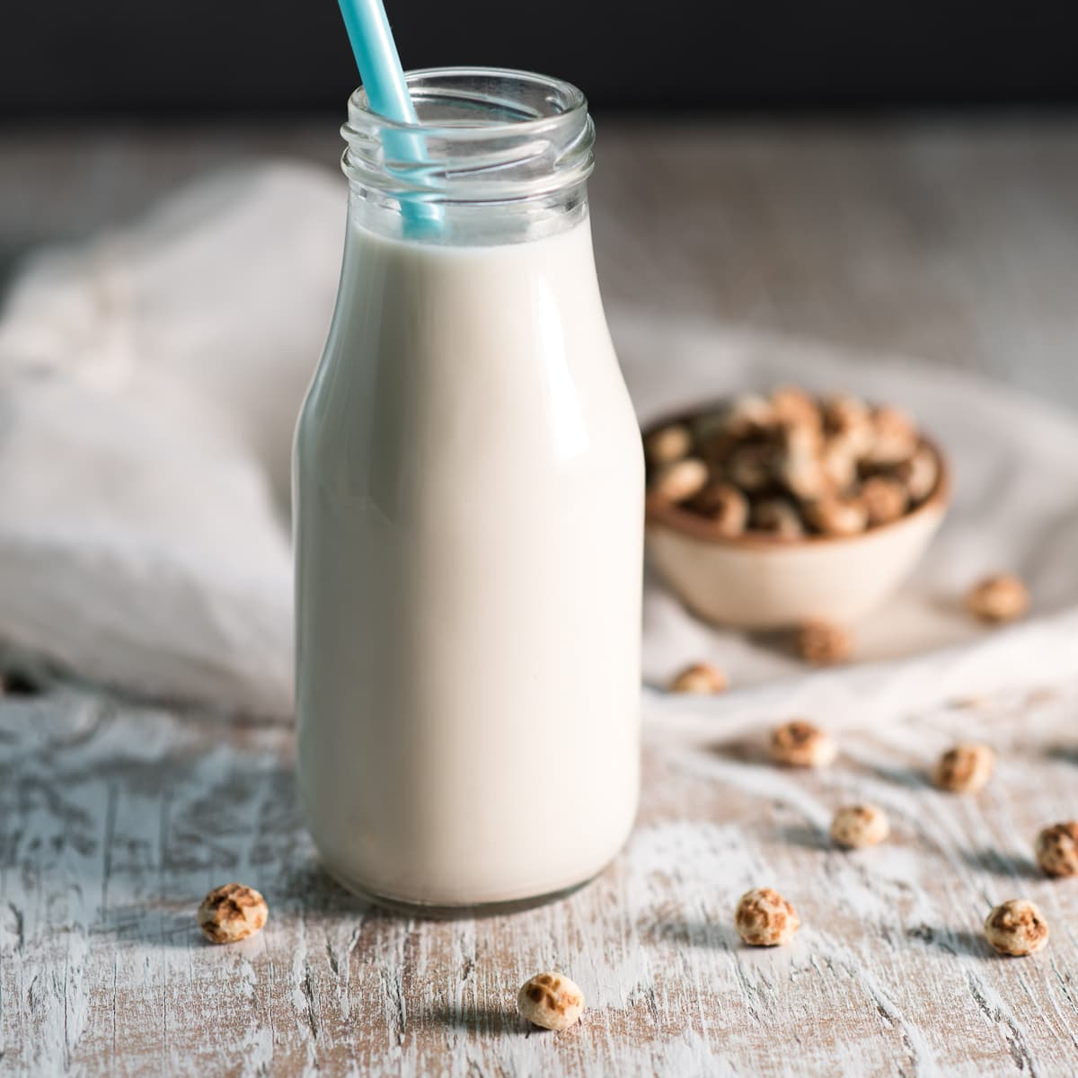
Content
Nutri Elixir
...beyond quenching your thirst
 | Output Sheet
 | Input Sheet
 | Calculations Sheet

Five Years
Financial Model
 | Dashboard
 | Financial Statements
 | Valuation
 | Assumptions
 | Workings
 | CAPEX
 | Analysis
 | Dataset
 | Pivot

2023

Dashboard
MENU

Nutri Elixir

...beyond quenching your thirst
Five Years Financial Model

Operating Expenses
Avg Revenue
Avg Gross Profit
Avg Net Profit
 | Total
Depreciation | 1,382,749
Other Operating Expenses | 10,180,475
Personnel Expenses | 5,340,000

₦ 15,329,280
₦ 4,638,320
₦ 1,068,044

 | Dry Tigernut | Tigernut drink | Whole Dates
2024 | 432,000 | 2,462,400 | 864,000
2025 | 1,800,000 | 5,760,000 | 1,440,000
2026 | 2,040,000 | 11,520,000 | 2,760,000
2027 | 2,856,000 | 13,824,000 | 2,760,000
2028 | 3,192,000 | 20,736,000 | 4,200,000
 | Sum of Revenue | Sum of Cost of Sales | Sum of Gross proft
2024 | 3,758,400 | 2,060,288 | 1,698,112
2025 | 9,000,000 | 5,806,959 | 3,193,041
2026 | 16,320,000 | 11,386,950 | 4,933,050
2027 | 19,440,000 | 13,486,306 | 5,953,694
2028 | 28,128,000 | 20,714,295 | 7,413,705

Profitability Ratio
 | Sum of Gross Profit Margin | Sum of Net Profit Margin | Sum of Return on Equity
2024 | 45% | 3% | 12%
2025 | 35% | 5% | 49%
2026 | 30% | 10% | 192%
2027 | 31% | 8% | 176%
2028 | 26% | 6% | 208%

